Bug Report V1
Defect_ID | Defect Title/Issue | Pre-condition | Test Data | (Test-Steps)procedures | POST COND | Expected Result | Actual Result | Attachment | priority | Probability | Severity | Categorization | Test case ID | Defect Status | Req ID | Created by
DF-CAT-01 | Visibility of the 4 main categories is not available only 3 categories is visible | user is on home page |  |  |  |  |  | 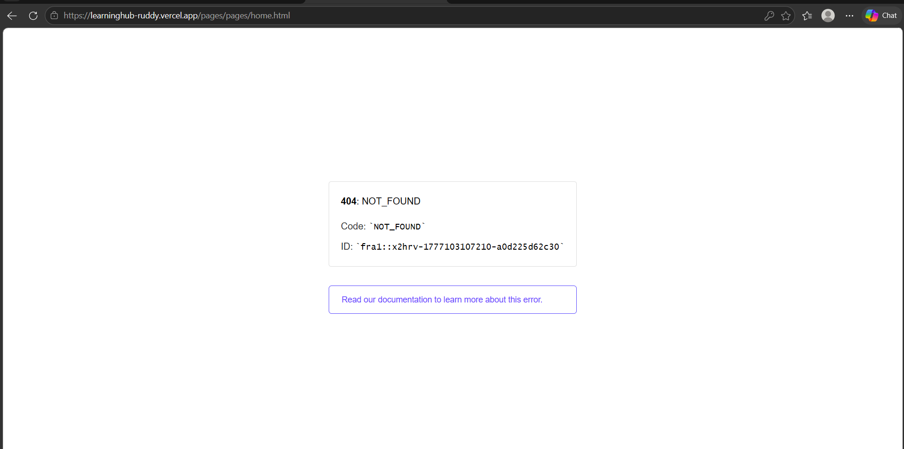 | Medium | High | Low | Major |  | Closed
DF-UserFreatures-01 | Validation message of publishing article/video/record is generic | 1- User has a registered account 2- User is logged in 3- user is on Publish Article page | userName: 'user1', email: 'user1@learninghub.com', password: 'User@123' | 1- Navigate to Home Page 2- Click on any category from the top menu 3-Click on upload Article button 4- Leave Title field empty 5- Leave Content field empty 6- Click on "Upload" | No data is saved in the database User remains on the Publish page Input fields remain empty User can re-enter valid data | System prevents publishing the article Error Pop-Up message is displayed: "Title and Content are required" No article is created or stored | Error message is appeared "Required fields missing" | 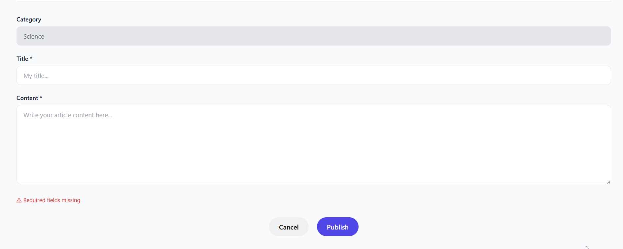 | Low | Medium | Low | Minor |  | Closed | SRS_UserFeature_04 SRS_UserFeature_05 SRS_UserFeature_06 | Mohamed Khedr
 |  |  |  |  |  |  |  |  |  |  |  |  |  | Closed
 |  |  |  |  |  |  |  |  | Medium | High | Low | Major |  | Closed
DF-Logout-01 | Logout confirmation message not displayed after clicking logout | User is logged into the system | Valid logged-in user account | 1- Click on "Logout" button | User is logged out successfully | A clear pop-up message displays: "You have been successfully logged out" | User is logged out but no confirmation message is displayed | N/A | Medium | High | Low | Major |  | Closed | SRS_Logout_02 | Zainab
DF-AdminFeature-01 | Delete button for videos is not visible in Admin Dashboard | 1- Admin is logged in 2- There is an existing video uploaded | Any existing video | 1- Navigate to Admin Dashboard 2- Go to Videos / Content List 3- Try to locate delete button for any video | N/A | Each video should have a visible "Delete" button | Delete button is not displayed for any video | 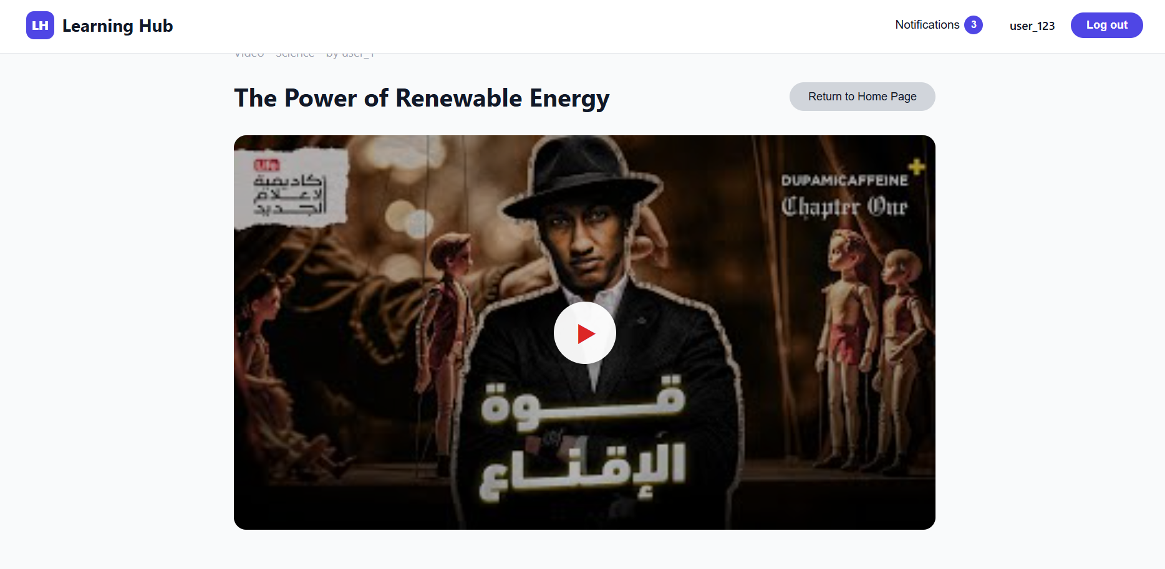 | High | High | High | Critical |  | Closed | TC-AdminFeatures-02 | Zainab
DF-AdminFeature-02 | Delete button for voice notes is not visible in Admin Dashboard | 1- Admin is logged in 2- There is an existing voice note | Any existing voice note | 1- Navigate to Admin Dashboard 2- Go to Voice Notes List 3- Try to locate delete button | N/A | Each voice note should have a visible "Delete" button | Delete button is not displayed for any voice note | 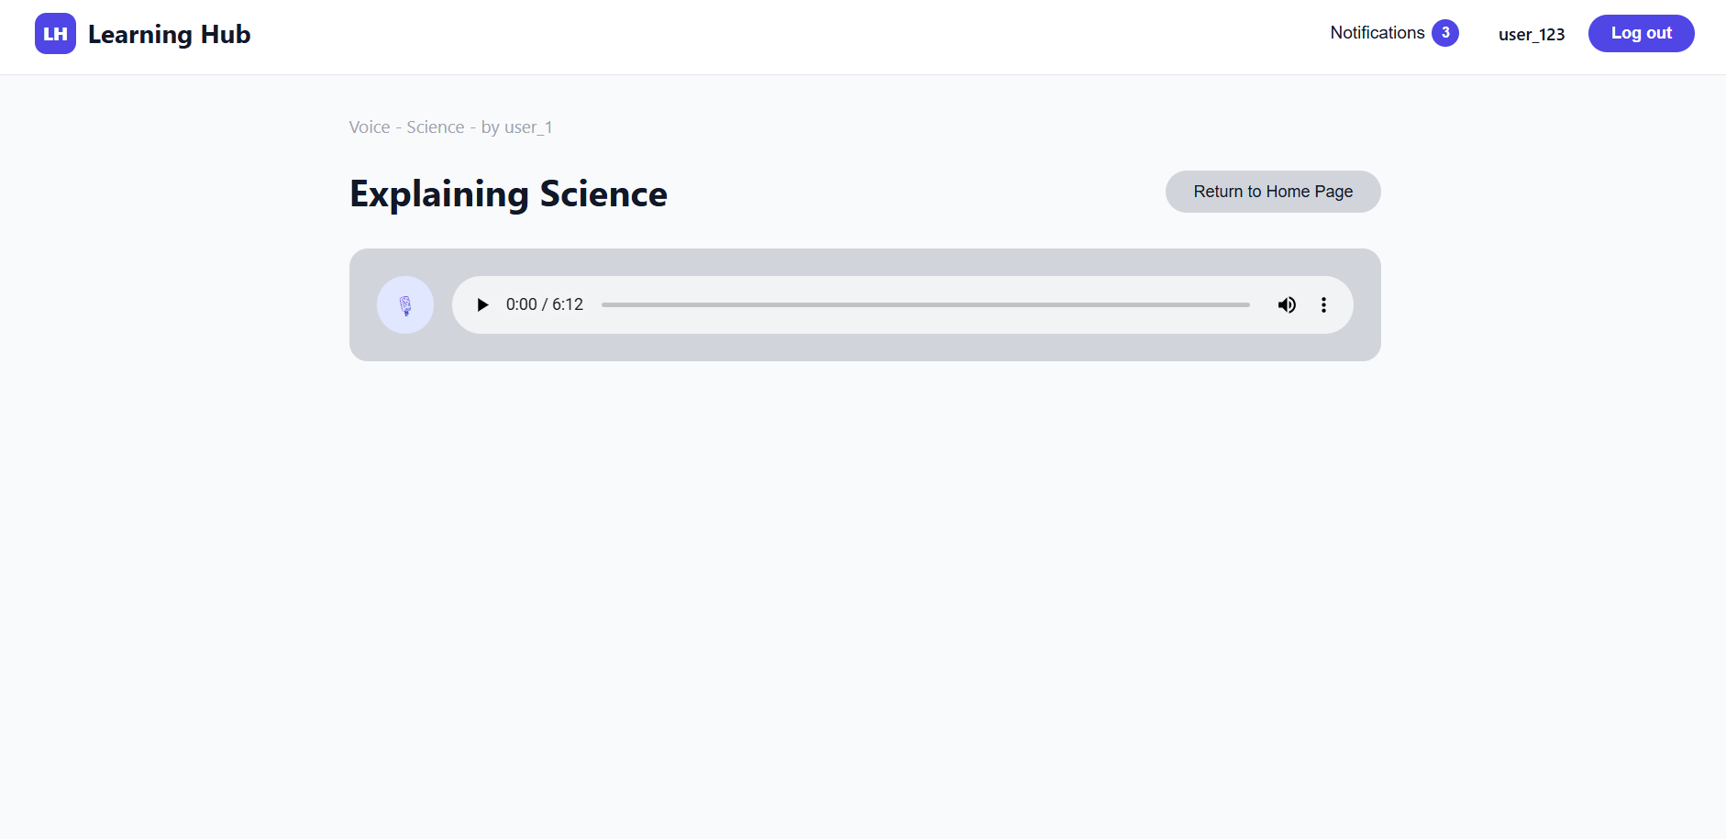 | High | High | High | Critical |  | Closed | TC-AdminFeatures-04 | Zainab
 |  |  |  |  |  |  |  |  | Medium | High | Low | Major |  | Closed
 |  |  |  |  |  |  |  |  | Medium | High | Low | Major |  | Closed
 |  |  |  |  |  |  |  |  | Medium | High | Low | Major |  | Closed
 |  |  |  |  |  |  |  |  | Medium | High | Low | Major |  | Closed
DF-CAT-01 | Visibility of the 4 main categories is not available only 3 categories is visible | user is on home page | for admin: userName: 'admin', email: 'admin@learninghub.com', password: 'Admin@123', for user: userName: 'user1', email: 'user1@learninghub.com', password: 'User@123', | Tester observe the main interface |  | Home page clearly displays the main 4 categories | only 3 categories is visible |  | Low | High | Medium | Major | TC-CAT-01 | Closed | SRS_Category_01 | yara
DF-CAT-02 | "No content yet" message for categories with no data is not visible the existing message is false | user is logged in | for admin: userName: 'admin', email: 'admin@learninghub.com', password: 'Admin@123', for user: userName: 'user1', email: 'user1@learninghub.com', password: 'User@123', | 1-Click on a category that has no articles or videos |  | "No content yet" message for categories with no data should be displayed | "No Video" message for categories with no data is displayed False message |  | Low | Medium | Low | Minor | TC-CAT-03 | Closed | SRS_Category_03 | yara
 |  |  |  |  |  |  |  |  | Medium | High | Low | Major
 |  |  |  |  |  |  |  |  | Medium | High | Low | Major

Bug Report V2
Defect_ID | Defect Title/Issue | Pre-condition | Test Data | (Test-Steps)procedures | POST COND | Expected Result | Actual Result | Attachment | priority | Probability | Severity | Categorization | Test case ID | Defect Status | Req ID | Created by
BUG-LOGIN-01 | Unauthorized User Can Access Internal Pages Without Login | User is NOT logged in. | URL: https://learninghub-ruddy.vercel.app/pages/home.html | 1. Open the application in the browser. 2. Ensure the user is not logged in. 3. Enter the direct URL of an internal page (/pages/home.html) in the address bar. 4. Observe the system behavior. | User is navigated to the Home page without authentication. | The system should block unauthorized access and immediately redirect the user to the Login page. | 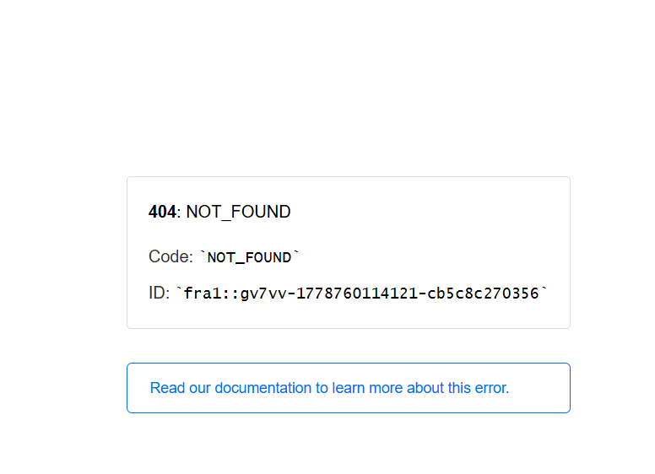 The system allowed access to the Home page instead of redirecting the user to the Login page. |  | High | High | High | Functional | TC-LOGIN-02 | Closed | SRS_Login_01 | Zainab
BUG-USERFEATURES-01 | Voice note is not saved in the selected category after publishing a valid one | 1- User has a registered account 2- User is logged in 3- Microphone permission is allowed | Voice duration: 10 seconds Format: system default | 1- Navigate to Home Page 2- Click on any category from the top menu 3-Click on "+ Publish" 4-Select "Voice Note" 5- Enter valid Title 6-Click on Record button 7-Stop the record 8- Click on "Publish" | "Voice note is stored in system Appears in user content Accessible to others" | Voice note is posted Voice is playable Message: "Voice note posted successfully" | The Voice note is not found in the category after publishing it successfully |  | High | High | Medium | Functional | TC-UserFeatures-09 | Closed | SRS_UserFeature_05 | Mohamed Khedr

 |  |  |  |  |  |  |  |  | Medium | High | Low | Major
 |  |  |  |  |  |  |  |  | Medium | High | Low | Major

